Sheet1
basic information and formulas for use of the app ouitoo trackplotter
test case UNION PLAZA |  |  |  |  |  |  |  |  |  |  |  |  | Map size | X [in] | Y [in]
 |  |  |  |  |  |  |  |  |  |  |  |  | 11 x 17 | 0 | 0
wiki ----> | https://github.com/Frederic-jyrg/ouitoo/wiki#:~:text=9%2D20%2D2019-,UNION%20PLAZA%3A,-name%20of%20the |  |  |  |  |  |  |  |  |  |  |  |  | 11 | 0 |  |  |  | Magnetic North Orientation (original value) |  |  |  | Polaris North Orientation (original value)
 |  |  |  |  |  |  |  |  |  |  |  |  |  | 11 | -17
UNION PLAZA: |  |  |  |  |  |  |  |  |  |  |  |  |  | 0 | -17
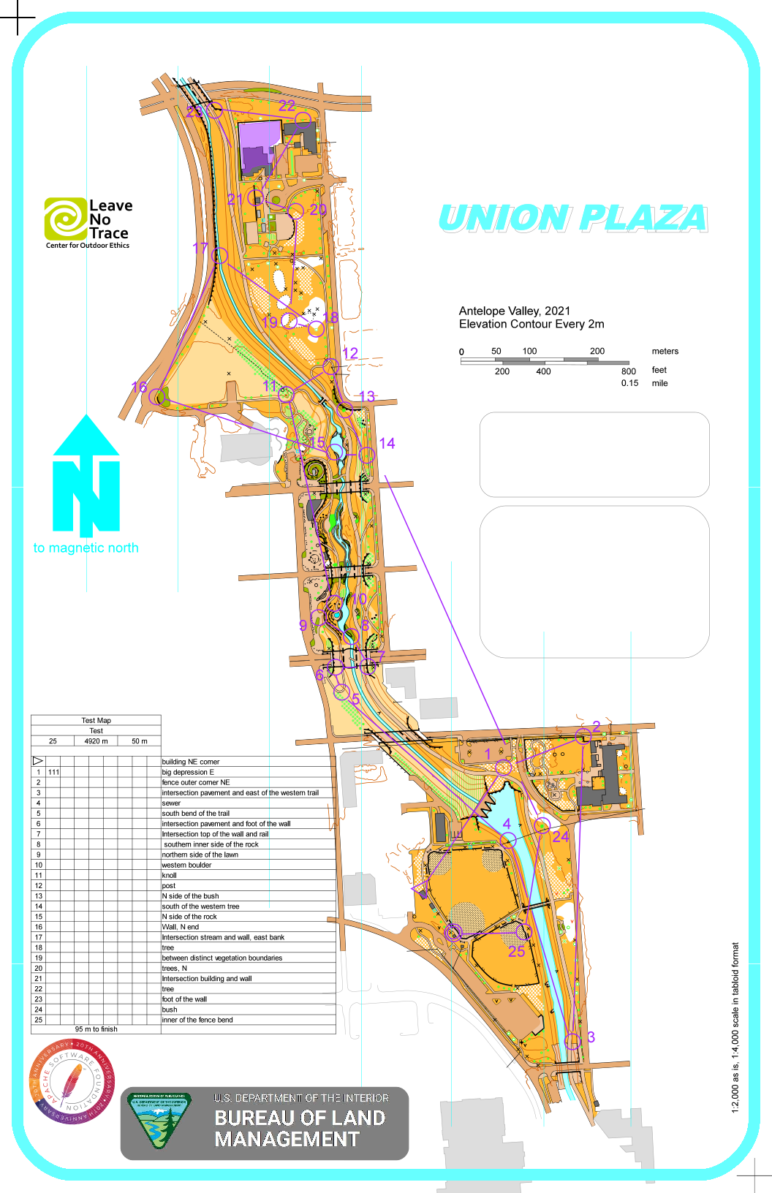
name of the file: "union-plaza-ocad-4000-04-09-2021.png" |  |  |  |  |  |  |  |  |  |  |  |  |  | 0 | 0
We find the following information: |  |  |  |  |  |  |  |  |  |  | Rotated map
Reference point (the center tooth of the dam, south end): latitude=40.81147001400959°, longitude=-96.68791604213915° |  |  |  |  |  |  |  |  |  |  | rotation angle | -4 |  | X [in] | Y [in]
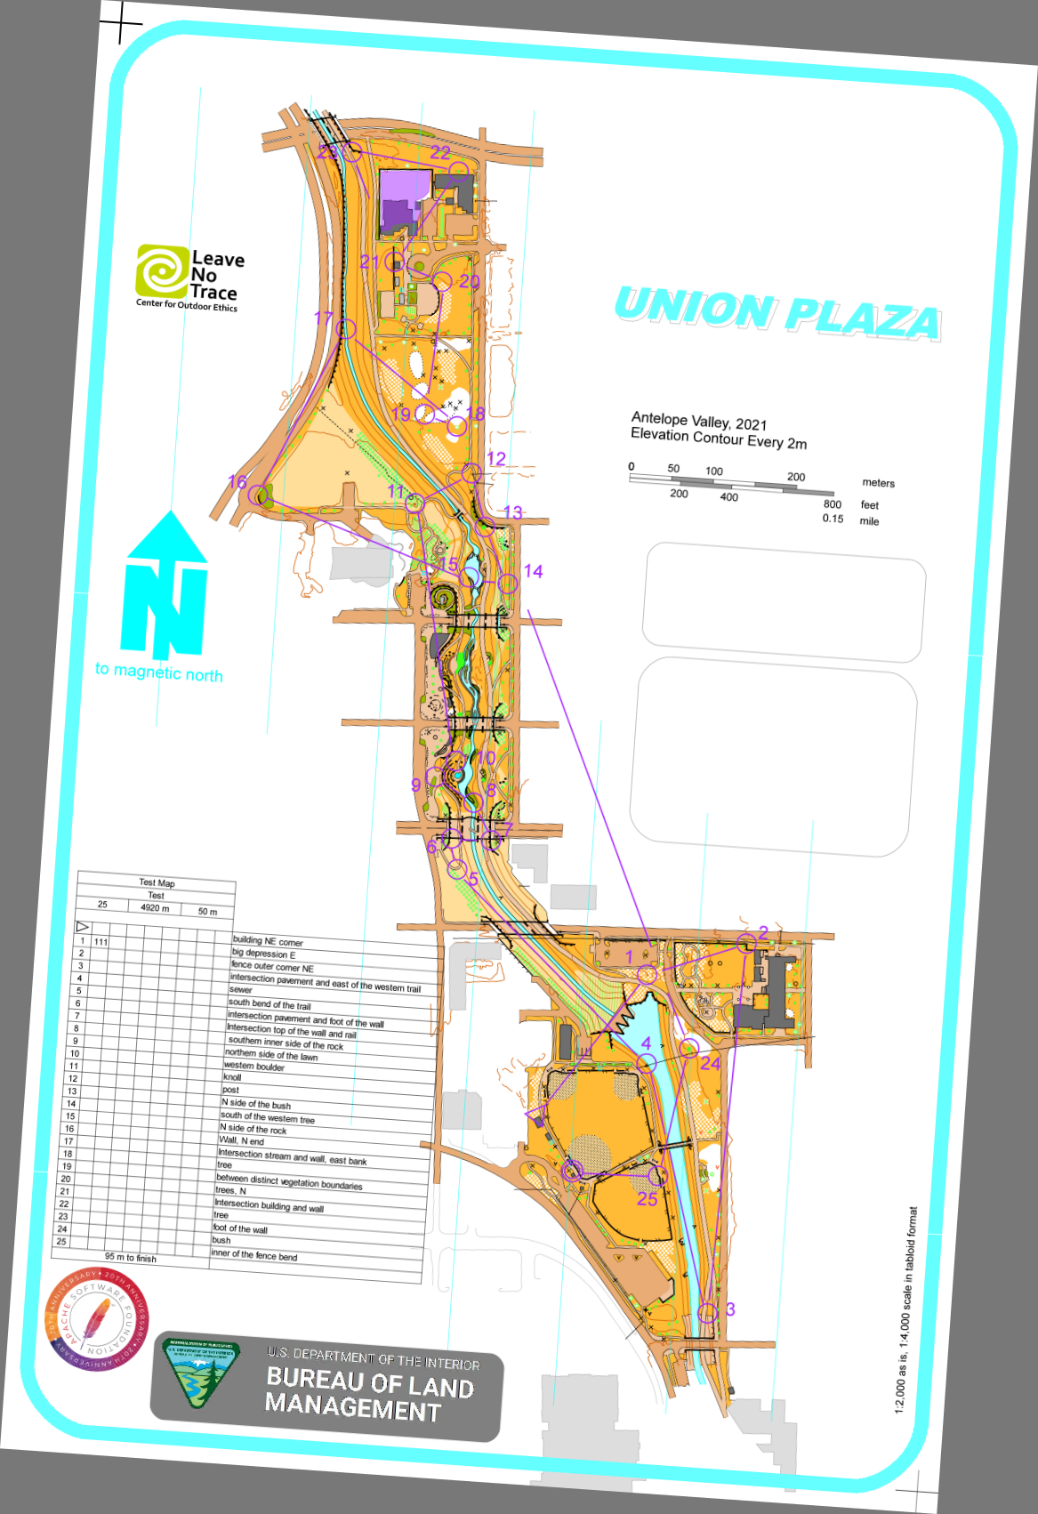
Scale: 1/4000 (version 1/4000 because the format is a tabloid format 11" x 17" -information on the map-) |  |  |  |  |  |  |  |  |  |  | 0.99756405026 | -0.069756473744 |  | 0 | 0
Date: 04-09-2021 |  |  |  |  |  |  |  |  |  |  | 0.99756405026 | -0.069756473744 |  | 10.973204553 | -0.76732121119
 |  |  |  |  |  |  |  |  |  |  | 0.99756405026 | -0.069756473744 |  | 9.7873444992 | -17.725910066
point 1 | https://maps.app.goo.gl/orPfK8FduzNU1MMz6 |  |  |  |  |  |  |  |  |  | 0.99756405026 | -0.069756473744 |  | -1.1858600537 | -16.958588854
40.81147001400959, -96.68791604213915 |  |  |  |  |  |  |  |  |  |  | 0.99756405026 | -0.069756473744 |  | 0 | 0
point 2 | https://maps.app.goo.gl/5kGhTRHsTmQ7oncNA
40.81908575866586, -96.69120127972548 |  |  |  |  |  |  |  |  |  |  |  |  |  | 12.159064607 | -17.725910066

Plugging points - point 1 and point 2 |  |  | Measure distance
 |  |  | Total distance: 2,922.33 ft (890.73 m)
 | point 1 | point 2 |  |  |  |  | Scale |  | rotation_angle (clokwise) |  | North Direction
latitude [DEC] | 40.811470014 | 40.819085759 | Distance in [m] |  |  |  | 1:_________ |  | (in degrees, DEC)
longitude [DEC] | -96.687916042 | -96.69120128 | 890.73 |  |  |  | 4000 |  | 4 |  | P

 |  |  |  |  | Example of initialization
 | point 1 | point 2
latitude [DMS] | 40°48'41.3"N | 40°49'08.7"N |  | --1 | Distance @ zoom 100%
longitude [DMS] | 96°41'16.5"W | 96°41'28.3"W |  |  | [m] | 0.2226825
 |  |  |  |  | [mm] | 222.6825

Example of track (from start to post #1) |  |  |  | --2 | Vertical and horizontal resolutions
 | latitude (DEC) | longitude (DEC) |  |  | D^2=RES_LAT^2*(LAT1-LAT2)^2+RES_LONG^2*(LONG1-LONG2)^2
 | 40.8104943 | -96.6891308
 | 40.8105471 | -96.6891375 |  |  | LAT1 | 40.811470014
 | 40.8106354 | -96.6891563 |  |  | LAT2 | 40.819085759
 | 40.8107095 | -96.6891643 |  |  | LONG1 | -96.687916042
 | 40.8108211 | -96.6891563 |  |  | LONG2 | -96.69120128
 | 40.8109013 | -96.6891295
 | 40.8109353 | -96.689112 |  |  | LONG1-LONG2 | 0.0032852375863
 | 40.8109714 | -96.6890651 |  |  | LAT1-LAT2 | -0.0076157446563
 | 40.8109978 | -96.688996
 | 40.8110181 | -96.6889417 |  |  | COEF=RES_LAT/RES_LONG
 | 40.8110348 | -96.6888921
 | 40.8110516 | -96.6887995
 | 40.811084 | -96.6887311 |  |  | DELTA_Y/DELTA_X | -2.946 |  | Azimuth P or M [deg]: 18.75
 | 40.81115 | -96.6886909
 | 40.8112495 | -96.6886855 |  |  | RES_LAT [mm/deg] | 27688.096255
 | 40.8112952 | -96.688648 |  |  | RES_LONG [mm/deg] | 21787.427003
 | 40.8113652 | -96.6885836
 | 40.8114363 | -96.6885742 |  |  | COEF | 1.2708291002
 | 40.8115206 | -96.6886089
 | 40.8115663 | -96.6886666 |  |  |  |  |  |  |  |  |  |  | Device size (px)
 | 40.8115947 | -96.6887175 |  |  |  |  |  |  |  |  |  | Screen Width | 360
 | 40.8116739 | -96.6887752 |  |  |  |  |  |  |  |  |  | Screen Height | 799.99999997
 | 40.8117195 | -96.6887792 |  |  | ==============================OR ============================
 | 40.8118134 | -96.6887357
 | 40.8118992 | -96.6887162 |  |  | variables needed to map the track
 | 40.8119438 | -96.6886921 |  |  |  |  |  |  |  |  | 0.34090909091
 | 40.8119926 | -96.6886733 |  |  | point1 |  |  |  |  |  | 0.49019607843
 | 40.8120332 | -96.6886371 |  |  | GPS [DEC] | Y,X [mm] |  | 48898.51188
 | 40.8120474 | -96.6885794 |  |  | 40.811470014 | -304.8381 |  | 221.13007909
 | 40.8120403 | -96.6884989 |  |  | -96.687916042 | 156.591 |  |  |  |  | 0.64705882353
 | 40.812021 | -96.6883997 |  |  |  |  |  | 4028.0815873 | ACTUAL SCALE |  | 0.45
 | 40.8119916 | -96.6883313 |  |  | point2 |  |  | -0.0070203968279 | deviation
 | 40.8119763 | -96.688228 |  |  | GPS [DEC] | Y,X [mm]
 | 40.8119642 | -96.6881422 |  |  | 40.819085759 | -93.9673
 | 40.8119611 | -96.6880644 |  |  | -96.69120128 | 90.0176
 | 40.8119565 | -96.6880141
 |  |  |  |  | RES_LAT [mm/deg] | 27688.795977
Example of display (360x800 pixels) |  | ref |  |  | RES_LONG [mm/deg] | 20264.409575
 |  |  |  |  |  |  |  |  |  |  |  |  | Xmoves | -1.1858600537 | 7.2232045529
density | 96 |  |  |  | COEF | 1.3663756585 |  |  |  |  |  |  | Ymoves | 0 | -9.3929100656
height | 800 |  |  |  | 1/COEF | 0.73186315475
width | 360 |  |  |  |  |  |  |  |  |  |  |  | move | 3.3 | -9
 |  |  |  |  | Longitudes
inches |  |  |  |  |  |  |  |  |  |  |  |  | Device size | X [in] | Y [in]
height | 8.3333333333 |  |  |  | a= | 20264.409575 |  |  |  |  |  |  | 8.333 x 3.75 | 3.3 | -9
width | 3.75 |  |  |  | b= | 1959480.1226 |  |  |  |  |  |  |  | 7.05 | -9
 |  |  |  |  |  |  |  |  |  |  |  |  |  | 7.05 | -17.333
mm |  |  |  |  | Latitudes |  |  |  |  |  |  |  |  | 3.3 | -17.333
height | 211.66666667 |  |  |  |  |  |  |  |  |  |  |  |  | 3.3 | -9
width | 95.25 |  |  |  | a= | 27688.795977
 |  |  |  |  | b= | -1130325.3048 |  |  |  |  |  |  | center | 5.175 | -13.1665

 |  |  |  |  |  |  |  |  |  |  |  |  |  | 5.175 | -9
 |  |  |  |  |  | X [mm] | Y [mm] |  | X [in] | Y [in] |  |  |  | 5.175 | -17.333
 |  |  |  |  |  | 131.97464917 | -331.85444614 |  | 5.1958523296 | -13.065135675
 |  |  |  |  |  | 131.83887763 | -330.39247771 |  | 5.1905069932 | -13.007577863 |  |  |  | 3.3 | -13.1665
 |  |  |  |  |  | 131.45790673 | -327.94755703 |  | 5.1755081389 | -12.911321143 |  |  |  | 7.05 | -13.1665
 |  |  |  |  |  | 131.29579145 | -325.89581725 |  | 5.1691256477 | -12.830543986
 |  |  |  |  |  | 131.45790673 | -322.80574762 |  | 5.1755081389 | -12.708887701 |  |  | inches
 |  |  |  |  |  | 132.0009929 | -320.58510618 |  | 5.1968894844 | -12.621460873 |  |  | pt1
 |  |  |  |  |  | 132.35562007 | -319.64368712 |  | 5.2108511839 | -12.584397131 |  |  | 4.29 | -7.835
 |  |  |  |  |  | 133.30602088 | -318.64412158 |  | 5.2482685386 | -12.545044157 |  |  | 6.165 | -12.0015
 |  |  |  |  |  | 134.70629158 | -317.91313737 |  | 5.3033973064 | -12.516265251 |  |  | pt2
 |  |  |  |  |  | 135.80664902 | -317.35105481 |  | 5.3467184655 | -12.494136016 |  |  | 1.669 | 0.467
 |  |  |  |  |  | 136.81176374 | -316.88865192 |  | 5.3862899109 | -12.475931178 |  |  | 3.544 | -3.6995
 |  |  |  |  |  | 138.68824806 | -316.42348014 |  | 5.4601672466 | -12.457617328
 |  |  |  |  |  | 140.07433368 | -315.52636315 |  | 5.5147375464 | -12.422297762 |  |  | mm
 |  |  |  |  |  | 140.88896294 | -313.69890262 |  | 5.5468095647 | -12.350350497 |  |  | pt1
 |  |  |  |  |  | 140.99839076 | -310.94386742 |  | 5.5511177463 | -12.241884544 |  |  | 108.966 | -199.009
 |  |  |  |  |  | 141.75830611 | -309.67848944 |  | 5.5810356738 | -12.192066514 |  |  | 156.591 | -304.8381
 |  |  |  |  |  | 143.06333409 | -307.74027372 |  | 5.632414728 | -12.115758808 |  |  | pt2
 |  |  |  |  |  | 143.25381954 | -305.77160033 |  | 5.6399141552 | -12.038251982 |  |  | 42.3926 | 11.8618
 |  |  |  |  |  | 142.55064453 | -303.43743483 |  | 5.6122300996 | -11.946355702 |  |  | 90.0176 | -93.9673
 |  |  |  |  |  | 141.3813881 | -302.17205685 |  | 5.5661963818 | -11.896537671
 |  |  |  |  |  | 140.34992965 | -301.38569505 |  | 5.5255877815 | -11.865578545 |  |  | px
 |  |  |  |  |  | 139.18067322 | -299.19274241 |  | 5.4795540637 | -11.779241827 |  |  | pt1 |  |  |  | size | center | from center | moves from center
 |  |  |  |  |  | 139.09961558 | -297.93013331 |  | 5.4763628181 | -11.729532807 |  |  | 411.84 | -752.16 |  |  | 1056 | 528 | 63.84 | -63.84
 |  |  |  |  |  | 139.9811174 | -295.33015537 |  | 5.511067614 | -11.627171471 |  |  | 591.84 | -1152.144 |  |  | 1632 | -816 | 336.144 | -336.144
 |  |  |  |  |  | 140.37627338 | -292.95445667 |  | 5.5266249363 | -11.533640026 |  |  | pt2 |  |  |  | size | center | from center | moves from center | moves from pt1 (REF)
 |  |  |  |  |  | 140.86464565 | -291.71953637 |  | 5.5458521911 | -11.485021117 |  |  | 160.224 | 44.832 |  |  | 1056 | 528 | -187.776 | 187.776 | 251.616 | 251.616
 |  |  |  |  |  | 141.24561655 | -290.36832313 |  | 5.5608510454 | -11.431823745 |  |  | 340.224 | -355.152 |  |  | 1632 | -816 | -460.848 | 460.848 | 796.992 | 796.992
 |  |  |  |  |  | 141.97918818 | -289.24415801 |  | 5.5897318181 | -11.387565276
 |  |  |  |  |  | 143.14844461 | -288.85097711 |  | 5.6357655359 | -11.372085713 |  |  |  |  |  |  |  |  |  |  | 835.76722807
 |  |  |  |  |  | 144.77972958 | -289.04756756 |  | 5.6999893536 | -11.379825495
 |  |  |  |  |  | 146.78995901 | -289.58196132 |  | 5.7791322446 | -11.400864619
 |  |  |  |  |  | 148.17604463 | -290.39601192 |  | 5.8337025444 | -11.432913855 |  |  |  |  |  |  | point1
 |  |  |  |  |  | 150.26935814 | -290.8196505 |  | 5.9161164621 | -11.449592539 |  |  |  |  |  |  | GPS [DEC] | Y,X [mm]
 |  |  |  |  |  | 152.00804448 | -291.15468493 |  | 5.9845686802 | -11.462782871 |  |  |  |  |  |  | 40.811470014 | 336.144
 |  |  |  |  |  | 153.58461554 | -291.2405202 |  | 6.0466384072 | -11.466162213 |  |  |  |  |  |  | -96.687916042 | 63.84
 |  |  |  |  |  | 154.60391534 | -291.36788866 |  | 6.0867683206 | -11.471176719
 |  |  |  |  |  |  |  |  |  |  |  |  |  |  |  |  | point2
 |  |  |  |  |  |  |  |  |  |  |  |  |  |  |  |  | GPS [DEC] | Y,X [mm]
 |  |  |  |  |  |  |  |  |  |  |  |  |  |  |  |  | 40.819085759 | -460.848
 |  |  |  |  |  |  |  |  |  |  |  |  |  |  |  |  | -96.69120128 | -187.776

 |  |  |  |  |  |  |  |  |  |  |  |  |  |  |  | latitudes | a | -104650.56747
 |  |  |  |  |  |  |  |  |  |  |  |  |  |  |  |  | b | 4271279.6403

 |  |  |  |  |  |  |  |  |  |  |  |  |  |  |  | longitudes | a | 76589.894456
 |  |  |  |  |  |  |  |  |  |  |  |  |  |  |  |  | b | 7405381.1249

 |  |  |  |  |  |  |  |  |  |  |  |  |  |  | latitude (DEC) | longitude (DEC) |  | X [px] | Y [px]
 |  |  |  |  |  |  |  |  |  |  |  |  |  |  | 40.8104943 | -96.6891308 |  | -29.198176357 | -438.25302478
 |  |  |  |  |  |  |  |  |  |  |  |  |  |  | 40.8105471 | -96.6891375 |  | -29.71132865 | -432.72747482
 |  |  |  |  |  |  |  |  |  |  |  |  |  |  | 40.8106354 | -96.6891563 |  | -31.151218665 | -423.48682971
 |  |  |  |  |  |  |  |  |  |  |  |  |  |  | 40.8107095 | -96.6891643 |  | -31.763937821 | -415.73222267
 |  |  |  |  |  |  |  |  |  |  |  |  |  |  | 40.8108211 | -96.6891563 |  | -31.151218665 | -404.05321934
 |  |  |  |  |  |  |  |  |  |  |  |  |  |  | 40.8109013 | -96.6891295 |  | -29.098609494 | -395.66024382
 |  |  |  |  |  |  |  |  |  |  |  |  |  |  | 40.8109353 | -96.689112 |  | -27.75828634 | -392.10212453
 |  |  |  |  |  |  |  |  |  |  |  |  |  |  | 40.8109714 | -96.6890651 |  | -24.166220291 | -388.32423904
 |  |  |  |  |  |  |  |  |  |  |  |  |  |  | 40.8109978 | -96.688996 |  | -18.873858584 | -385.56146406
 |  |  |  |  |  |  |  |  |  |  |  |  |  |  | 40.8110181 | -96.6889417 |  | -14.715027315 | -383.43705754
 |  |  |  |  |  |  |  |  |  |  |  |  |  |  | 40.8110348 | -96.6888921 |  | -10.91616855 | -381.68939307
 |  |  |  |  |  |  |  |  |  |  |  |  |  |  | 40.8110516 | -96.6887995 |  | -3.8239443237 | -379.93126353
 |  |  |  |  |  |  |  |  |  |  |  |  |  |  | 40.811084 | -96.6887311 |  | 1.4148044577 | -376.54058515
 |  |  |  |  |  |  |  |  |  |  |  |  |  |  | 40.81115 | -96.6886909 |  | 4.4937182153 | -369.63364769
 |  |  |  |  |  |  |  |  |  |  |  |  |  |  | 40.8112495 | -96.6886855 |  | 4.9073036443 | -359.22091623
 |  |  |  |  |  |  |  |  |  |  |  |  |  |  | 40.8112952 | -96.688648 |  | 7.7794246869 | -354.4383853
 |  |  |  |  |  |  |  |  |  |  |  |  |  |  | 40.8113652 | -96.6885836 |  | 12.711813889 | -347.11284557
 |  |  |  |  |  |  |  |  |  |  |  |  |  |  | 40.8114363 | -96.6885742 |  | 13.431758897 | -339.67219023
 |  |  |  |  |  |  |  |  |  |  |  |  |  |  | 40.8115206 | -96.6886089 |  | 10.77408956 | -330.85014739
 |  |  |  |  |  |  |  |  |  |  |  |  |  |  | 40.8115663 | -96.6886666 |  | 6.3548526494 | -326.06761646
 |  |  |  |  |  |  |  |  |  |  |  |  |  |  | 40.8115947 | -96.6887175 |  | 2.4564270228 | -323.09554034
 |  |  |  |  |  |  |  |  |  |  |  |  |  |  | 40.8116739 | -96.6887752 |  | -1.9628098877 | -314.8072154
 |  |  |  |  |  |  |  |  |  |  |  |  |  |  | 40.8117195 | -96.6887792 |  | -2.2691694656 | -310.03514952
 |  |  |  |  |  |  |  |  |  |  |  |  |  |  | 40.8118134 | -96.6887357 |  | 1.0624909438 | -300.20846123
 |  |  |  |  |  |  |  |  |  |  |  |  |  |  | 40.8118992 | -96.6887162 |  | 2.5559938848 | -291.22944254
 |  |  |  |  |  |  |  |  |  |  |  |  |  |  | 40.8119438 | -96.6886921 |  | 4.4018103415 | -286.56202723
 |  |  |  |  |  |  |  |  |  |  |  |  |  |  | 40.8119926 | -96.6886733 |  | 5.8417003565 | -281.45507954
 |  |  |  |  |  |  |  |  |  |  |  |  |  |  | 40.8120332 | -96.6886371 |  | 8.614254537 | -277.2062665
 |  |  |  |  |  |  |  |  |  |  |  |  |  |  | 40.8120474 | -96.6885794 |  | 13.033491447 | -275.72022844
 |  |  |  |  |  |  |  |  |  |  |  |  |  |  | 40.8120403 | -96.6884989 |  | 19.19897795 | -276.46324747
 |  |  |  |  |  |  |  |  |  |  |  |  |  |  | 40.812021 | -96.6883997 |  | 26.79669548 | -278.48300343
 |  |  |  |  |  |  |  |  |  |  |  |  |  |  | 40.8119916 | -96.6883313 |  | 32.035444262 | -281.55973011
 |  |  |  |  |  |  |  |  |  |  |  |  |  |  | 40.8119763 | -96.688228 |  | 39.947180359 | -283.16088379
 |  |  |  |  |  |  |  |  |  |  |  |  |  |  | 40.8119642 | -96.6881422 |  | 46.518593303 | -284.42715566
 |  |  |  |  |  |  |  |  |  |  |  |  |  |  | 40.8119611 | -96.6880644 |  | 52.477287091 | -284.75157242
 |  |  |  |  |  |  |  |  |  |  |  |  |  |  | 40.8119565 | -96.6880141 |  | 56.329758783 | -285.23296503

